Sheet1
 | Document No. |  | Issue No. | Issue Date |  |  | Review and Replace Date |  | Authorised By
 |  |  |  |  |  |  |  |  | Magda Shah
 | Document Title |  | PANEER TIKKA MASALA WITH PILAU RICE| 400G
Document amendments reason for change | Product weight has changed and recipes revised |  |  |  |  | Previous Issue Date |  | 20.05.2019 | Uncontrolled copy unless signed original

FVPTR-R6TRE |  | RED RICKSHAW |  |  | PANEER TIKKA MASALA WITH PILAU RICE| 400G|FROZEN
STEP 1 |  |  |  |  |  | STEP 2
NON MAP PACK (PACK+ ONE YEAR) SK45 X 6

Packaging: 2200-2F |  |  |  |  |  | PILAU RICE(GFF143R)-160g
Flim: K peel 7G+25A/f-300mm (300mmX1000)
STEP 3 |  |  |  |  |  | STEP 4
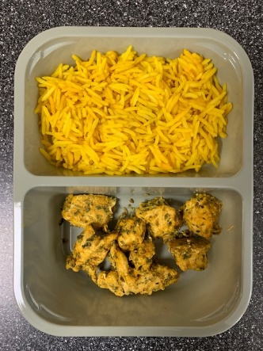 |  |  |  |  |  | 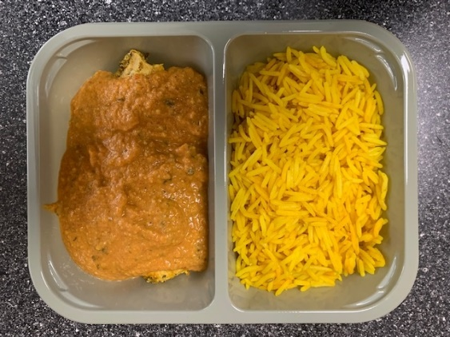

PANEER TIKKA(GFF---)-70g |  |  |  |  |  | TIKKA MASALA SAUCE(GFF----)-170g |  |  | Total Weight 400 g

ALLERGY ALERT: Nuts/Milk

